Buffer Tank Sizing
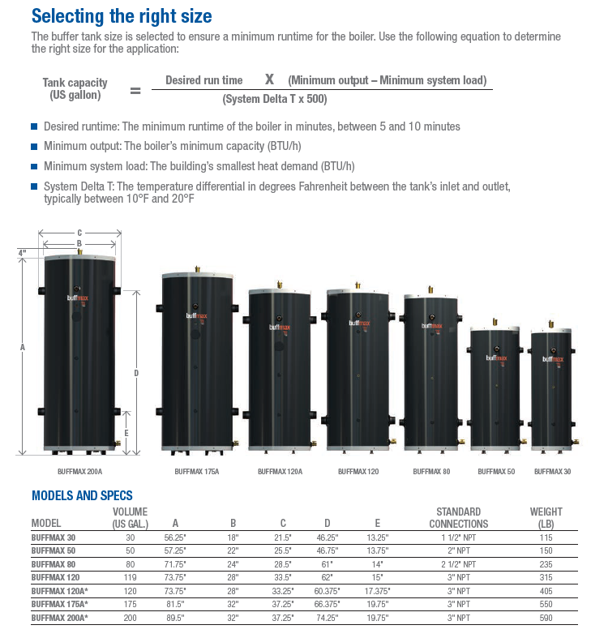
 | BUFFER TANK SIZING

 | Desired Run Time = | 10 | The desired length of "on time" for each run cycle depends on the type of equipment used. Heat pump and chiller manufacture's typically recommend a minimum of 5 to 10 minutes on time, and boiler manufacture's may recommend
 | Minimum Boiler Output = | 40,000 | This is the lowest modulation rate of your boiler
 | Minimum System Load = | 15,000 | This is the load of the smallest zone
 | System ∆T = | 20 | This is the DeltaT of your system design. Usually 20.
 | Constant of 500 = | 500 | This is the specific gravity of water (8.33) x 60 minutes. 8.33 x 60 = 499.8 or 500
 | Recommended Tank Size in Gallons = | 25 | This is a calculated field. Do not enter a value into this cell

Header piping on system side should be sized not to exceed 4 ft/sec of flow velocity

